US State Facts
Box plot using InsectSprays data
Data sets related to the 50 states of USA
 | Population | Income | Illiteracy | Life.Exp | Murder | HS.Grad | Frost | Area
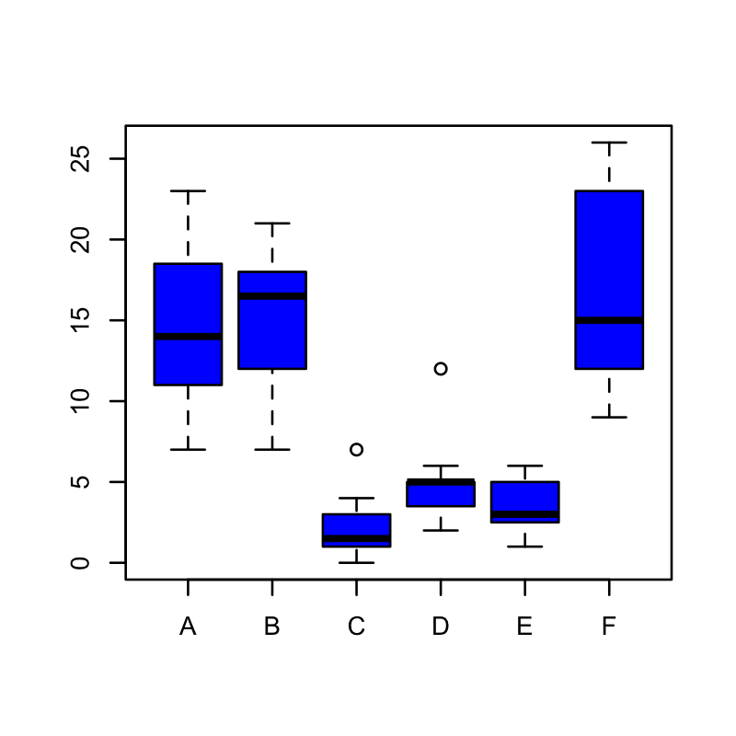
Alabama | 3615 | 3624 | 2.1 | 69.05 | 15.1 | 41.3 | 20 | 50708
Alaska | 365 | 6315 | 1.5 | 69.31 | 11.3 | 66.7 | 152 | 566432
Arizona | 2212 | 4530 | 1.8 | 70.55 | 7.8 | 58.1 | 15 | 113417
Arkansas | 2110 | 3378 | 1.9 | 70.66 | 10.1 | 39.9 | 65 | 51945
California | 21198 | 5114 | 1.1 | 71.71 | 10.3 | 62.6 | 20 | 156361
Colorado | 2541 | 4884 | 0.7 | 72.06 | 6.8 | 63.9 | 166 | 103766
Connecticut | 3100 | 5348 | 1.1 | 72.48 | 3.1 | 56 | 139 | 4862
Delaware | 579 | 4809 | 0.9 | 70.06 | 6.2 | 54.6 | 103 | 1982
Florida | 8277 | 4815 | 1.3 | 70.66 | 10.7 | 52.6 | 11 | 54090
Georgia | 4931 | 4091 | 2 | 68.54 | 13.9 | 40.6 | 60 | 58073
Hawaii | 868 | 4963 | 1.9 | 73.6 | 6.2 | 61.9 | 0 | 6425
Idaho | 813 | 4119 | 0.6 | 71.87 | 5.3 | 59.5 | 126 | 82677
Illinois | 11197 | 5107 | 0.9 | 70.14 | 10.3 | 52.6 | 127 | 55748
Indiana | 5313 | 4458 | 0.7 | 70.88 | 7.1 | 52.9 | 122 | 36097
Iowa | 2861 | 4628 | 0.5 | 72.56 | 2.3 | 59 | 140 | 55941
Kansas | 2280 | 4669 | 0.6 | 72.58 | 4.5 | 59.9 | 114 | 81787
Kentucky | 3387 | 3712 | 1.6 | 70.1 | 10.6 | 38.5 | 95 | 39650
Louisiana | 3806 | 3545 | 2.8 | 68.76 | 13.2 | 42.2 | 12 | 44930
Maine | 1058 | 3694 | 0.7 | 70.39 | 2.7 | 54.7 | 161 | 30920
Maryland | 4122 | 5299 | 0.9 | 70.22 | 8.5 | 52.3 | 101 | 9891
Massachusetts | 5814 | 4755 | 1.1 | 71.83 | 3.3 | 58.5 | 103 | 7826
Michigan | 9111 | 4751 | 0.9 | 70.63 | 11.1 | 52.8 | 125 | 56817
Minnesota | 3921 | 4675 | 0.6 | 72.96 | 2.3 | 57.6 | 160 | 79289
Mississippi | 2341 | 3098 | 2.4 | 68.09 | 12.5 | 41 | 50 | 47296
Missouri | 4767 | 4254 | 0.8 | 70.69 | 9.3 | 48.8 | 108 | 68995
Montana | 746 | 4347 | 0.6 | 70.56 | 5 | 59.2 | 155 | 145587
Nebraska | 1544 | 4508 | 0.6 | 72.6 | 2.9 | 59.3 | 139 | 76483
Nevada | 590 | 5149 | 0.5 | 69.03 | 11.5 | 65.2 | 188 | 109889
New Hampshire | 812 | 4281 | 0.7 | 71.23 | 3.3 | 57.6 | 174 | 9027
New Jersey | 7333 | 5237 | 1.1 | 70.93 | 5.2 | 52.5 | 115 | 7521
New Mexico | 1144 | 3601 | 2.2 | 70.32 | 9.7 | 55.2 | 120 | 121412
New York | 18076 | 4903 | 1.4 | 70.55 | 10.9 | 52.7 | 82 | 47831
North Carolina | 5441 | 3875 | 1.8 | 69.21 | 11.1 | 38.5 | 80 | 48798
North Dakota | 637 | 5087 | 0.8 | 72.78 | 1.4 | 50.3 | 186 | 69273
Ohio | 10735 | 4561 | 0.8 | 70.82 | 7.4 | 53.2 | 124 | 40975
Oklahoma | 2715 | 3983 | 1.1 | 71.42 | 6.4 | 51.6 | 82 | 68782
Oregon | 2284 | 4660 | 0.6 | 72.13 | 4.2 | 60 | 44 | 96184
Pennsylvania | 11860 | 4449 | 1 | 70.43 | 6.1 | 50.2 | 126 | 44966
Rhode Island | 931 | 4558 | 1.3 | 71.9 | 2.4 | 46.4 | 127 | 1049
South Carolina | 2816 | 3635 | 2.3 | 67.96 | 11.6 | 37.8 | 65 | 30225
South Dakota | 681 | 4167 | 0.5 | 72.08 | 1.7 | 53.3 | 172 | 75955
Tennessee | 4173 | 3821 | 1.7 | 70.11 | 11 | 41.8 | 70 | 41328
Texas | 12237 | 4188 | 2.2 | 70.9 | 12.2 | 47.4 | 35 | 262134
Utah | 1203 | 4022 | 0.6 | 72.9 | 4.5 | 67.3 | 137 | 82096
Vermont | 472 | 3907 | 0.6 | 71.64 | 5.5 | 57.1 | 168 | 9267
Virginia | 4981 | 4701 | 1.4 | 70.08 | 9.5 | 47.8 | 85 | 39780
Washington | 3559 | 4864 | 0.6 | 71.72 | 4.3 | 63.5 | 32 | 66570
West Virginia | 1799 | 3617 | 1.4 | 69.48 | 6.7 | 41.6 | 100 | 24070
Wisconsin | 4589 | 4468 | 0.7 | 72.48 | 3 | 54.5 | 149 | 54464
Wyoming | 376 | 4566 | 0.6 | 70.29 | 6.9 | 62.9 | 173 | 97203

